Tamarind xyloglucan
Extracellular digestion
Enzyme | Identifier | Type | Cellulosome | Gene | Main substrate | Main product | Subsystem | Compartment | Comments | Source
endo-xyloglucanase 9X | Cel9X | Glycoside Hydrolases GH9 | Yes | Ccel_2621 | Xyloglucan | QQQG | Extracellular digestion of xyloglucan | e | Only active on xyloglucan | Kampik2021, https://journals.asm.org/doi/10.1128/mBio.02206-21 | Composition and description of xyloglucan oligosaccharides (XGO4)
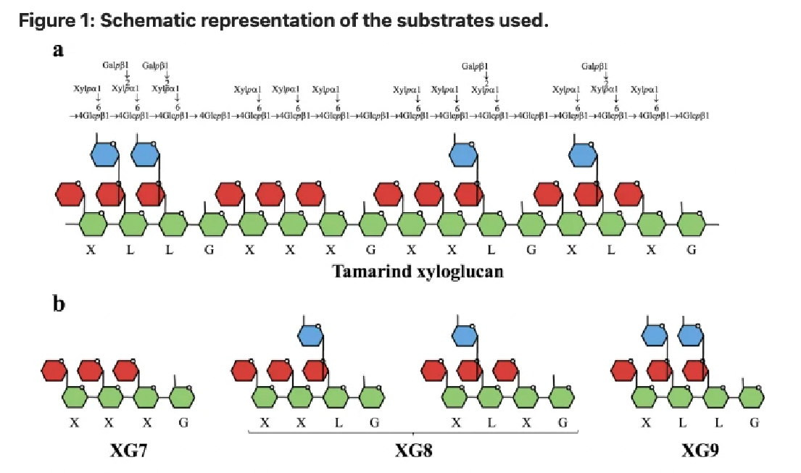
endo-xyloglucanase 9X | Cel9X | Glycoside Hydrolases GH9 (cellulosomal) | Yes | Ccel_2621 | Xyloglucan | QLQG | Extracellular digestion of xyloglucan | e | Only active on xyloglucan | Kampik2021, https://journals.asm.org/doi/10.1128/mBio.02206-21 | X = Q | Glucose-xylose
endo-xyloglucanase 9X | Cel9X | Glycoside Hydrolases GH9 (cellulosomal) | Yes | Ccel_2621 | Xyloglucan | QQLG | Extracellular digestion of xyloglucan | e | Only active on xyloglucan | Kampik2021, https://journals.asm.org/doi/10.1128/mBio.02206-21 | L | Glucose-xylose-galactose
endo-xyloglucanase 9X | Cel9X | Glycoside Hydrolases GH9 (cellulosomal) | Yes | Ccel_2621 | Xyloglucan | QLLG | Extracellular digestion of xyloglucan | e | Only active on xyloglucan | Kampik2021, https://journals.asm.org/doi/10.1128/mBio.02206-21 | G | Glucse
endo-xyloglucanase 9U | Cel9U | Glycoside Hydrolases GH9 (cellulosomal) | Yes |  | Xyloglucan | QQQG | Extracellular digestion of xyloglucan | e | Cellulose is preferred substrate | Kampik2021, https://journals.asm.org/doi/10.1128/mBio.02206-21
endo-xyloglucanase 9U | Cel9U | Glycoside Hydrolases GH9 (cellulosomal) | Yes |  | Xyloglucan | QLQG | Extracellular digestion of xyloglucan | e | Cellulose is preferred substrate | Kampik2021, https://journals.asm.org/doi/10.1128/mBio.02206-21
endo-xyloglucanase 9U | Cel9U | Glycoside Hydrolases GH9 (cellulosomal) | Yes |  | Xyloglucan | QQLG | Extracellular digestion of xyloglucan | e | Cellulose is preferred substrate | Kampik2021, https://journals.asm.org/doi/10.1128/mBio.02206-21
endo-xyloglucanase 9U | Cel9U | Glycoside Hydrolases GH9 (cellulosomal) | Yes |  | Xyloglucan | QLLG | Extracellular digestion of xyloglucan | e | Cellulose is preferred substrate | Kampik2021, https://journals.asm.org/doi/10.1128/mBio.02206-21
endo-xyloglucanase 9U | Cel9U | Glycoside Hydrolases GH9 (cellulosomal) | Yes |  | Cellulose |  | Extracellular digestion of cellulose | e | Cellulose is preferred substrate | Kampik2021, https://journals.asm.org/doi/10.1128/mBio.02206-21
Exo-xyloglucanase 74A | Xgh74A | Glycoside Hydrolases GH9, Carbohydrate-Binding Module Family CBM03 | Yes | Ccel_1207 | Xyloglucan | QQQG | Extracellular digestion of xyloglucan | e | Active on both xyloglucan and cellulose | Kampik2021, https://journals.asm.org/doi/10.1128/mBio.02206-21
Exo-xyloglucanase 74A | Xgh74A | Glycoside Hydrolases GH9, Carbohydrate-Binding Module Family CBM03 | Yes | Ccel_1207 | Xyloglucan | QLQG | Extracellular digestion of xyloglucan | e | Active on both xyloglucan and cellulose | Kampik2021, https://journals.asm.org/doi/10.1128/mBio.02206-21
Exo-xyloglucanase 74A | Xgh74A | Glycoside Hydrolases GH9, Carbohydrate-Binding Module Family CBM03 | Yes | Ccel_1207 | Xyloglucan | QQLG | Extracellular digestion of xyloglucan | e | Active on both xyloglucan and cellulose | Kampik2021, https://journals.asm.org/doi/10.1128/mBio.02206-21
Exo-xyloglucanase 74A | Xgh74A | Glycoside Hydrolases GH9, Carbohydrate-Binding Module Family CBM03 | Yes | Ccel_1207 | Xyloglucan | QLLG | Extracellular digestion of xyloglucan | e | Active on both xyloglucan and cellulose | Kampik2021, https://journals.asm.org/doi/10.1128/mBio.02206-21
Exo-xyloglucanase 74A | Xgh74A | Glycoside Hydrolases GH9, Carbohydrate-Binding Module Family CBM03 | Yes | Ccel_1207 | Cellulose |  | Extracellular digestion of cellulose | e | Active on both xyloglucan and cellulose | Kampik2021, https://journals.asm.org/doi/10.1128/mBio.02206-21
Cyloglucanase 44O | Cel440 | Glycoside Hydrolases GH44, Carbohydrate-Binding Module Family CBM44 | Yes | Ccel_0429 | Xyloglucan | GQQQ | Extracellular digestion of xyloglucan | e | Unknown. Function not completely determined | Kampik2021, https://journals.asm.org/doi/10.1128/mBio.02206-21
Cyloglucanase 44O | Cel440 | Glycoside Hydrolases GH44, Carbohydrate-Binding Module Family CBM44 | Yes | Ccel_0429 | Xyloglucan | GQLQ | Extracellular digestion of xyloglucan | e | Unknown. Function not completely determined | Kampik2021, https://journals.asm.org/doi/10.1128/mBio.02206-21
Cyloglucanase 44O | Cel440 | Glycoside Hydrolases GH44, Carbohydrate-Binding Module Family CBM44 | Yes | Ccel_0429 | Xyloglucan | GQQL | Extracellular digestion of xyloglucan | e | Unknown. Function not completely determined | Kampik2021, https://journals.asm.org/doi/10.1128/mBio.02206-21
Cyloglucanase 44O | Cel440 | Glycoside Hydrolases GH44, Carbohydrate-Binding Module Family CBM44 | Yes | Ccel_0429 | Xyloglucan | GQLL | Extracellular digestion of xyloglucan | e | Unknown. Function not completely determined | Kampik2021, https://journals.asm.org/doi/10.1128/mBio.02206-21

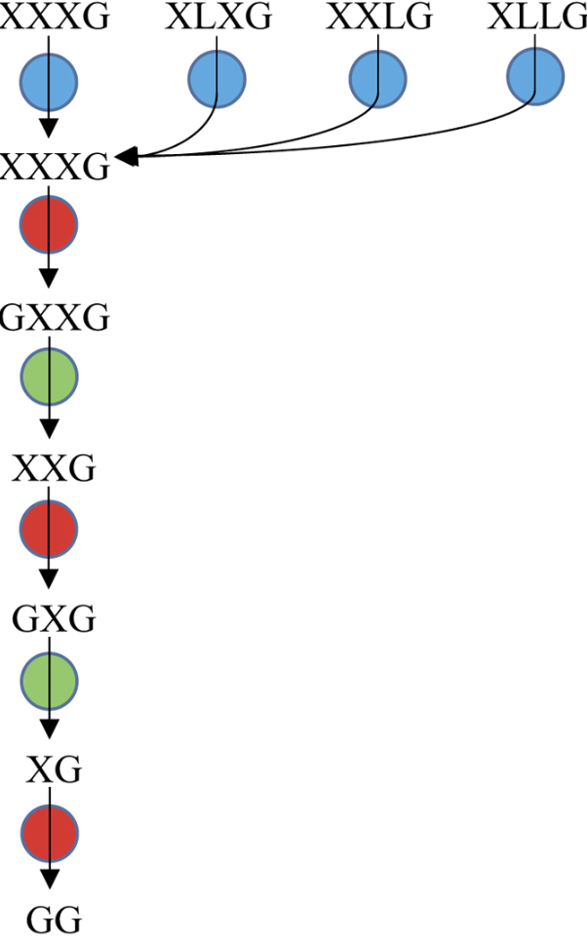
Transport
Enzyme | Identifier | Type | Cellulosome | Gene | Main substrate | Main product | Subsystem | Compartment | Comments | Source
Xyloglucan oligosaccharide transport |  | ABC-transporter | No | Ccel_2456 and Ccel_2457 and Ccel2458 |  | All QGO4 | Transport | e->c |  | Fosses2017, https://pubmed.ncbi.nlm.nih.gov/29093754/

Intracellular catabolism of oligosaccharides
Enzyme | Identifier | Type | Cellulosome | Gene | Main substrate | Main product | Subsystem | Compartment | Comments | Source
beta-galactosidase | Gal42A | Glycoside Hydrolase Family 42 | No | Ccel_2451 | QLQG | QQQG + Galactose | Catabolism of xyloglycan oligosaccharides | c |  | Ravachol2016, https://www.nature.com/articles/srep22770
beta-galactosidase | Gal42A | Glycoside Hydrolase Family 42 | No | Ccel_2451 | QQLG | QQQG + Galactose | Catabolism of xyloglycan oligosaccharides | c |  | Ravachol2016, https://www.nature.com/articles/srep22770
beta-galactosidase | Gal42A | Glycoside Hydrolase Family 42 | No | Ccel_2451 | QLLG | QQQG + Galactose | Catabolism of xyloglycan oligosaccharides | c |  | Ravachol2016, https://www.nature.com/articles/srep22770
alpha-xylosidase | Xyl31A | Glycoside Hydrolase Family 31 | No | Ccel_2455 | QQQG | GQQG + Qylose | Catabolism of xyloglycan oligosaccharides | c |  | Ravachol2016, https://www.nature.com/articles/srep22770
beta-glucosidase | Glu3A | Glycoside Hydrolase Family 3 | No | Ccel_2454 | GQQG | QQG + glucose | Catabolism of xyloglycan oligosaccharides | c |  | Ravachol2016, https://www.nature.com/articles/srep22770
alpha-xylosidase | Xyl31A | Glycoside Hydrolase Family 31 | No | Ccel_2455 | QQG | GQG + Qylose | Catabolism of xyloglycan oligosaccharides | c |  | Ravachol2016, https://www.nature.com/articles/srep22770
beta-glucosidase | Glu3A | Glycoside Hydrolase Family 3 | No | Ccel_2454 | GQG | QG + glucose | Catabolism of xyloglycan oligosaccharides | c |  | Ravachol2016, https://www.nature.com/articles/srep22770
alpha-xylosidase | Xyl31A | Glycoside Hydrolase Family 31 | No | Ccel_2455 | QG | GG (cellobiose) | Catabolism of xyloglycan oligosaccharides | c |  | Ravachol2016, https://www.nature.com/articles/srep22770

Arbabinoxylan
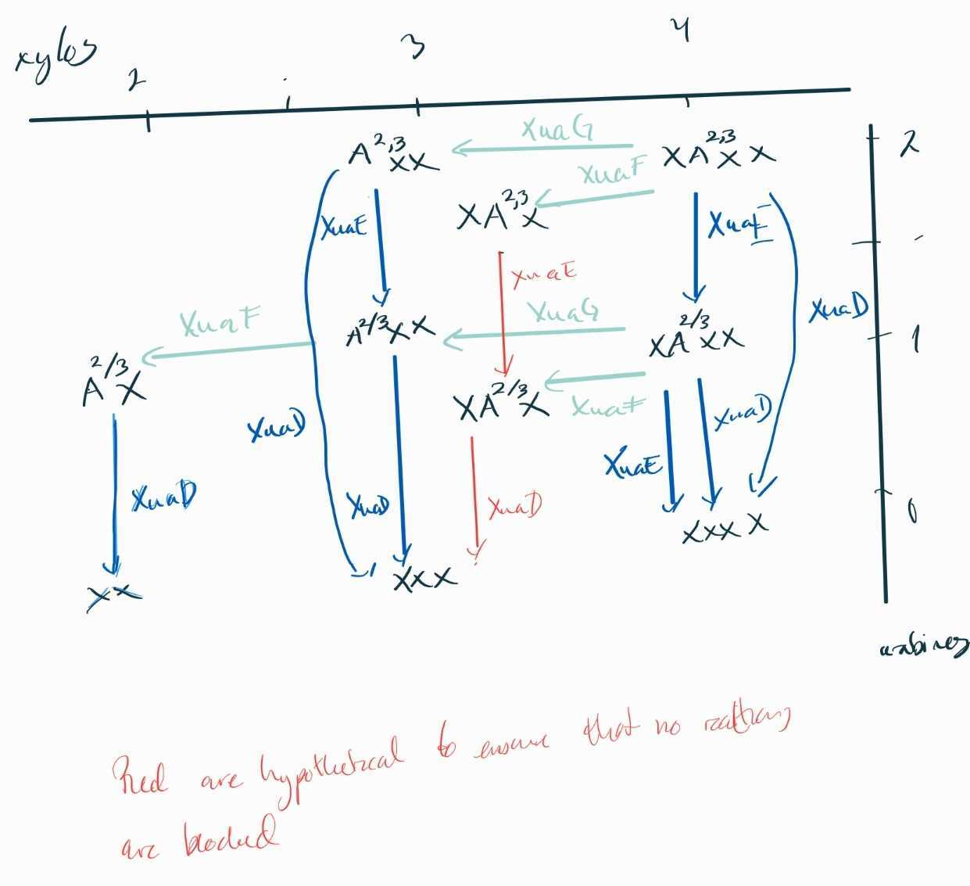
Intracellular catabolism of oligosaccharides
Enzyme | Identifier | Type | Cellulosome | Gene | Main substrate | Main product | Subsystem | Compartment | Comments | EC number | Source
AraXyl ABC | XuaABC | ABC transporter | No | Ccel_1252 and Ccel_1253 and Ccel_1254 | AX | AX | Catabolism of oligosaccharides from arabinoxylan | e->c | Verified |  | Liu2022, https://doi.org/10.1186/s13068-022-02225-8
AraXyl ABC | XuaABC | ABC transporter | No | Ccel_1252 and Ccel_1253 and Ccel_1254 | AXX | AXX | Catabolism of oligosaccharides from arabinoxylan | e->c | Tested/hypothetical (no confirmed activity, but likely). XuaABC has activity on similar compounds (larger and smaller). |  | Liu2022, https://doi.org/10.1186/s13068-022-02225-8
AraXyl ABC | XuaABC | ABC transporter | No | Ccel_1252 and Ccel_1253 and Ccel_1254 | A2,3XX | A2,3XX | Catabolism of oligosaccharides from arabinoxylan | e->c | Verified |  | Liu2022, https://doi.org/10.1186/s13068-022-02225-8
AraXyl ABC | XuaABC | ABC transporter | No | Ccel_1252 and Ccel_1253 and Ccel_1254 | XA2,3XX | XA2,3XX | Catabolism of oligosaccharides from arabinoxylan | e->c | Verified |  | Liu2022, https://doi.org/10.1186/s13068-022-02225-8
AraXyl ABC | XuaABC | ABC transporter | No | Ccel_1252 and Ccel_1253 and Ccel_1254 | XAXX | XAXX | Catabolism of oligosaccharides from arabinoxylan | e->c | Verified |  | Liu2022, https://doi.org/10.1186/s13068-022-02225-8
alpha-L-arabinofuranosidases | XuaD | Glycoside Hydrolase family 51 | No | Ccel_1255 | XA2,3XX | XXXX, L-arabinose | Catabolism of oligosaccharides from arabinoxylan | c | Verified | 3.2.155 | Liu2022, https://doi.org/10.1186/s13068-022-02225-8
alpha-L-arabinofuranosidases | XuaD | Glycoside Hydrolase family 51 | No | Ccel_1255 | XAXX | XXXX, L-arabinose | Catabolism of oligosaccharides from arabinoxylan | c | Verified | 3.2.155 | Liu2022, https://doi.org/10.1186/s13068-022-02225-8
alpha-L-arabinofuranosidases | XuaD | Glycoside Hydrolase family 51 | No | Ccel_1255 | A23XX | XXX, L-arabinose | Catabolism of oligosaccharides from arabinoxylan | c | Verified | 3.2.155 | Liu2022, https://doi.org/10.1186/s13068-022-02225-8
alpha-L-arabinofuranosidases | XuaD | Glycoside Hydrolase family 51 | No | Ccel_1255 | XAX | XXX, L-arabinose | Catabolism of oligosaccharides from arabinoxylan | c | Hypothetical. Included to ensure non-blocked metabolites. XuaD has activity on similar compounds. | 3.2.155 | Liu2022, https://doi.org/10.1186/s13068-022-02225-8
alpha-L-arabinofuranosidases | XuaD | Glycoside Hydrolase family 51 | No | Ccel_1255 | AXX | XXX, L-arabinose | Catabolism of oligosaccharides from arabinoxylan | c | Verified | 3.2.155 | Liu2022, https://doi.org/10.1186/s13068-022-02225-8
alpha-L-arabinofuranosidases | XuaD | Glycoside Hydrolase family 51 | No | Ccel_1255 | AX | XX, L-arabinose | Catabolism of oligosaccharides from arabinoxylan | c | Verified | 3.2.155 | Liu2022, https://doi.org/10.1186/s13068-022-02225-8
alpha-L-arabinofuranosidases | XuaE | Glycoside Hydrolase family 43 | No | Ccel_1257 | XA2,3XX | XAXX, L-arabinose | Catabolism of oligosaccharides from arabinoxylan | c | Verified (?) | 3.2.155 | Liu2022, https://doi.org/10.1186/s13068-022-02225-8
alpha-L-arabinofuranosidases | XuaE | Glycoside Hydrolase family 43 | No | Ccel_1257 | XAXX | XXXX, L-arabinose | Catabolism of oligosaccharides from arabinoxylan | c | Verified | 3.2.155 | Liu2022, https://doi.org/10.1186/s13068-022-02225-8
alpha-L-arabinofuranosidases | XuaE | Glycoside Hydrolase family 43 | No | Ccel_1257 | A2,3XX | AXX, L-arabinose | Catabolism of oligosaccharides from arabinoxylan | c | Verified | 3.2.155 | Liu2022, https://doi.org/10.1186/s13068-022-02225-8
alpha-L-arabinofuranosidases | XuaE | Glycoside Hydrolase family 43 | No | Ccel_1257 | XA2,3X | XAX, L-arabinose | Catabolism of oligosaccharides from arabinoxylan | c | Hypothetical. Included to ensure non-blocked metabolites. XuaE has activity on similar compounds. | 3.2.155 | Liu2022, https://doi.org/10.1186/s13068-022-02225-8
exo-xylanase | XuaF | Glycoside Hydrolase family 9 | No | Ccel_1258 | XA2,3XX | XA2,3X, D-Xylose | Catabolism of oligosaccharides from arabinoxylan | c | Verified (?) |  | Liu2022, https://doi.org/10.1186/s13068-022-02225-8
exo-xylanase | XuaF | Glycoside Hydrolase family 9 | No | Ccel_1258 | XAXX | XAX, D-Xylose | Catabolism of oligosaccharides from arabinoxylan | c | Verified (?) |  | Liu2022, https://doi.org/10.1186/s13068-022-02225-8
exo-xylanase | XuaF | Glycoside Hydrolase family 9 | No | Ccel_1258 | AXX | AX, D-Xylose | Catabolism of oligosaccharides from arabinoxylan | c | Verified (?) |  | Liu2022, https://doi.org/10.1186/s13068-022-02225-8
exo-xylanase | XuaG | Glycoside Hydrolase family 39 | No | Ccel_1259 | XA2,3XX | A2,3XX, D-Xylose | Catabolism of oligosaccharides from arabinoxylan | c | Verified | 3.2.1.37 | Liu2022, https://doi.org/10.1186/s13068-022-02225-8
exo-xylanase | XuaG | Glycoside Hydrolase family 39 | No | Ccel_1259 | XAXX | AXX, D-Xylose | Catabolism of oligosaccharides from arabinoxylan | c | Verified (?) | 3.2.1.37 | Liu2022, https://doi.org/10.1186/s13068-022-02225-8

Catabolism of sugars
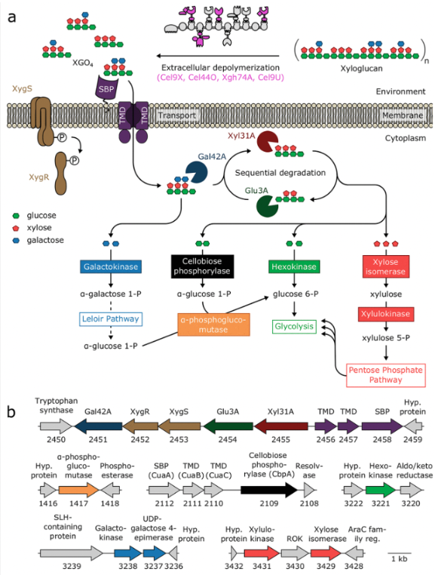
Not sure if this is interesting

Intracellular catabolism of sugars
Enzyme | Identifier | Type | Cellulosome | Gene | Main substrate | Main product | Subsystem | Compartment | Comments | Source
Hexokinase |  |  | No | Ccel_3221 | glucose | glucose-6-p | Sugar catabolism | c | GTP over ATP | Not original source: Kampik2021, https://journals.asm.org/doi/10.1128/mBio.02206-21
Cellobiose phosphorylase | CbpA |  | No | Ccel_2109 | cellobiose | alpha-glucose-1-P | Sugar catabolism | c |  | Not original source: Kampik2021, https://journals.asm.org/doi/10.1128/mBio.02206-21
Galactokinase |  |  | No | Ccel_3238 | galactose | galactose-1-P | Sugar catabolism | c |  | Not original source: Kampik2021, https://journals.asm.org/doi/10.1128/mBio.02206-21
alpha-phosphoglucomutase |  |  | No | Ccel_1417 | alpha-glucose-1-P | glucose-6-p | Sugar catabolism | c |  | Not original source: Kampik2021, https://journals.asm.org/doi/10.1128/mBio.02206-21
Xylose isomerase |  |  | No | Ccel_0500 or Ccel_0941 or Ccel_1925 or Ccel_3429 | xylose | xylulose | Sugar catabolism | c |  | Not original source: Kampik2021, https://journals.asm.org/doi/10.1128/mBio.02206-21
Xylulokinase |  |  | No | Ccel_3431 | xylulose | xylulose 5-P | Sugar catabolism | c |  | Not original source: Kampik2021, https://journals.asm.org/doi/10.1128/mBio.02206-21
UDP-galactose 4 epiremase |  |  | No | Ccel_3237 | UDP-galactose | UDP-glucose |  |  |  | Not original source: Kampik2021, https://journals.asm.org/doi/10.1128/mBio.02206-21

 |  |  |  |  |  |  |  |  |  |  | Figure: Kampik2021, https://journals.asm.org/doi/10.1128/mBio.02206-21

